BMW EVs
BMW
i3 | 18.2 | 27.2 | 37.9
x5 | 9 | 24
3 Series | 9.6
5 Series | 9.2 | 12

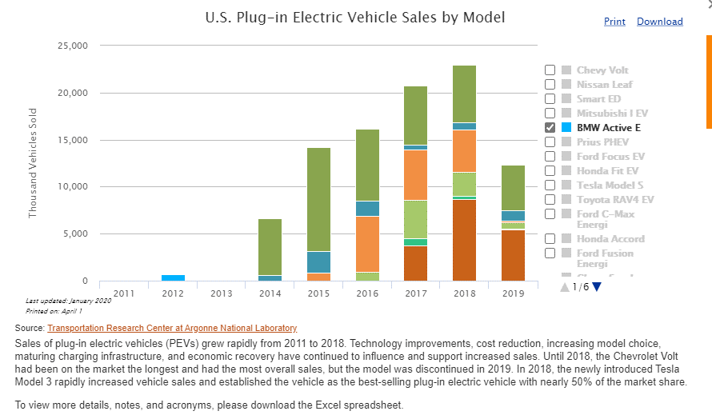

i3

x5

3 Series

5 Series

